Market
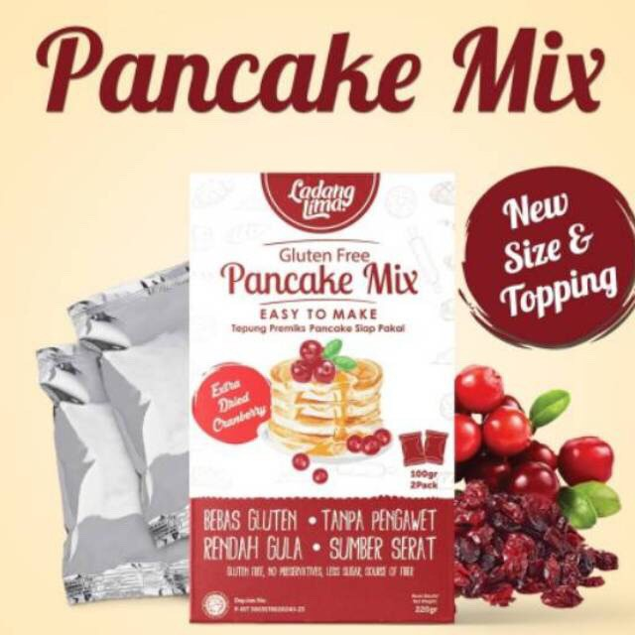
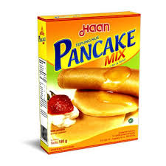
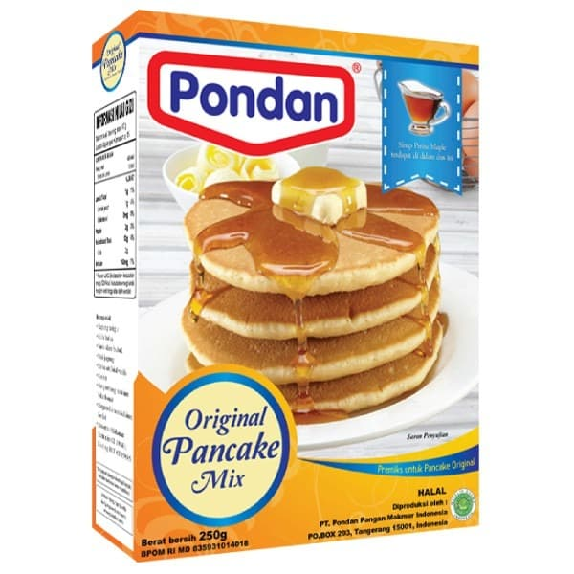
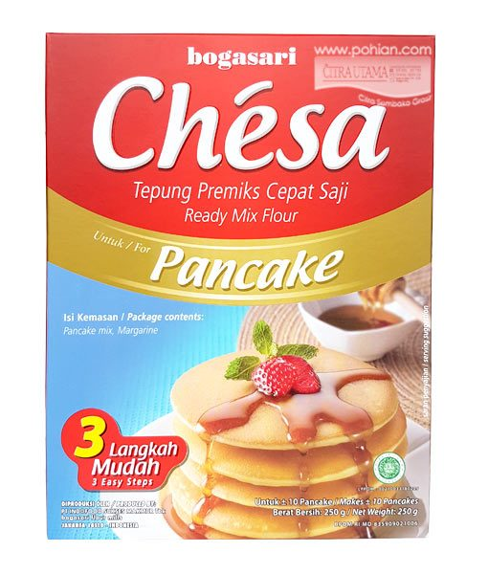
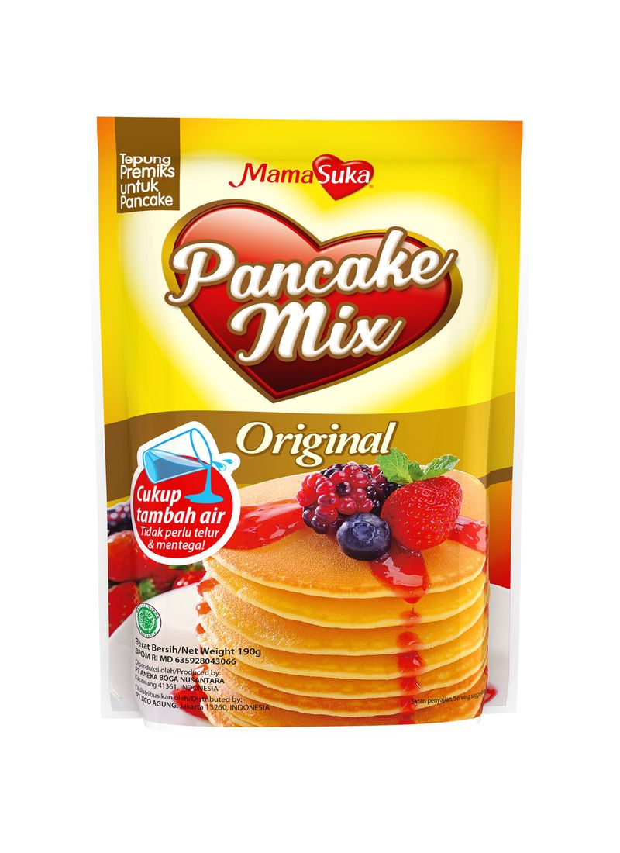
Brownies Instan
Merk | Harga | gram | Harga/gram | Harga per 250 gr | Serving | Cara Pembuatan
Ladang Lima Pancake Mix Extra Dried Cranberries 220 gr | Rp20,000 | 220 | 90.9 | Rp22,727 | 220 gram = 6 pcs pancake | Tambah telur, susu cair, margarine
Haan Pancake Mix 180 gr | Rp15,000 | 180 | 83.3 | Rp20,833 | 180gram = 6 pcs pancake | Tambah air & telur (utk hasil lebih lembut tambah minyak sayur)
Pondan Original Pancake Mix 250 gr | Rp17,300 | 250 | 69.2 | Rp17,300 | 250 gram = 10 pcs pancake | Tambah air & telur
Mamasuka Pancake Mix 190 g | Rp9,900 | 190 | 52.1 | Rp13,026 |  | Hanya tambah air
Chesa Pancake 250g | Rp13,500 | 250 | 54.0 | Rp13,500 | 200 gram (tanpa margarine) = 8 pancake | Kalau yg 250gram (ada margarine), jadi tinggal air & telur
 |  |  | HET Avg | Rp17,477
 |  |  | Price List | Rp13,982
 |  |  | Bulatkan | Rp14,000

Market Potency
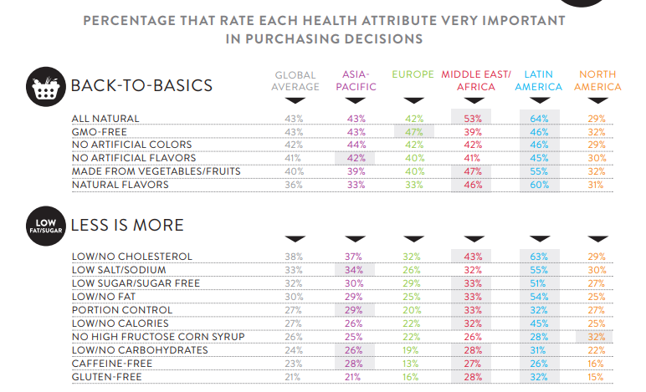
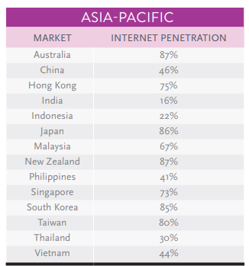
Jumlah penduduk Indonesia |  | 267,000,000
SES SU, U12 |  | 30% | Indonesian population
F, 25-50 |  | 38% | Indonesian population
Diabetes |  | 6.5%
Suka Memasak |  | 87%
Suka Baking / Bikin Kue |  | 25%
Membuat Pancake |  | 10%
Healthy Concern |  | 30%
Choose Tropicana Slim |  | 30%

Target market TS |  | 3,873 | persons

Consume TS
- 1 pack per bulan |  | 3,873 | portion

Price TS |  | IDR 14,000 | per portion

Sales potency |  | IDR 54,219,970 | per month

 | pembulatan | 50,000,000 | per month

 |  |  |  | 464982 | 883883
 |  |  |  | 524826
 |  |  |  | 509726 | 6947659
 |  |  |  | 451364
 |  |  |  | 380792 | 10177924
 |  |  |  | 323266 | 3230265
 |  |  |  | 323266 | 68%
 |  |  |  | 267752
 |  |  |  | 284080
 |  |  |  | 375893
 |  |  |  | 2916139
 |  |  |  | 27.3%

Insight
